Q2
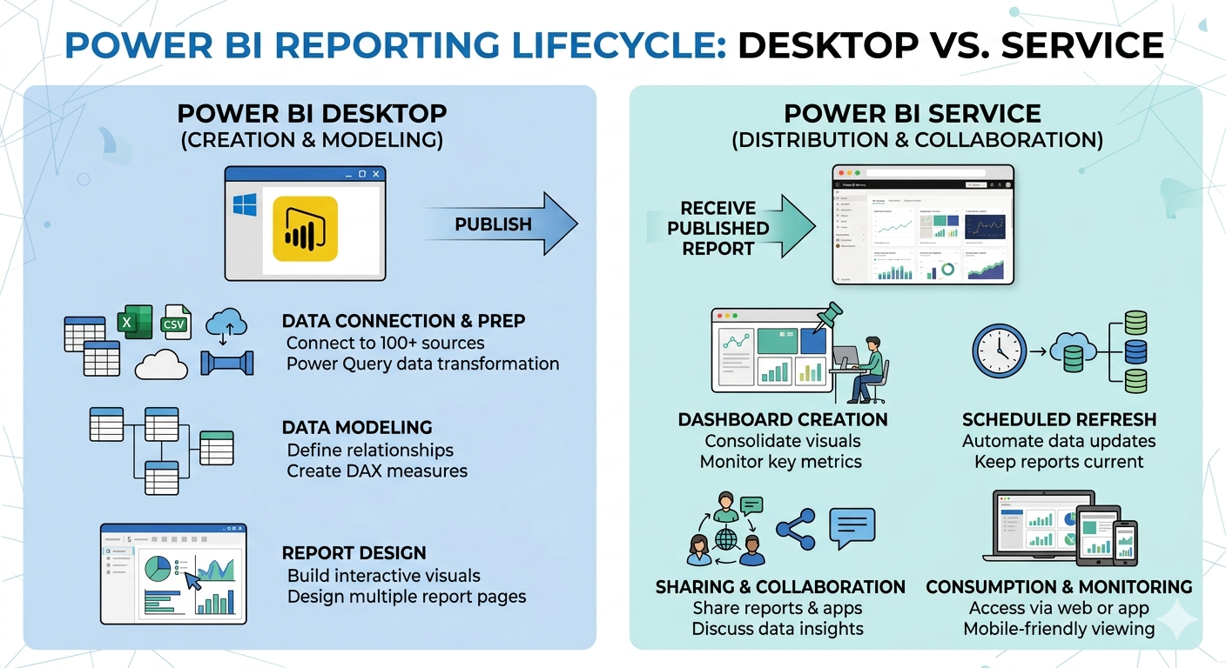
 | Q2. Define Power BI Service and explain its role in comparison to Power BI Desktop in the reporting lifecycle.

 | Comparison within the Reporting Lifecycle

Lifecycle Phase | Power BI Desktop (Development) | Power BI Service (Operations)
Development | Primary: Connects to data sources, cleans data, builds data models (DAX). | Lightweight: Provides limited editing of reports in a web browser.
Data Refresh | Manual: Requires the analyst to click 'Refresh'. | Automatic: Supports scheduled, automatic data refreshes.
Sharing | Limited: Files are shared via email or network share. | Extensive: Secure sharing through Workspaces, Apps, and direct links.
Collaboration | None: Single-user design tool. | High: Real-time comments, shared workspaces, and team collaboration.
Dashboards | Not supported (Reports only). | Primary: Creates Dashboards by pinning visuals from multiple reports.
Security | Defines Row-Level Security (RLS) rules. | Enforces RLS and manages access permissions (viewer, member, admin).

Q3
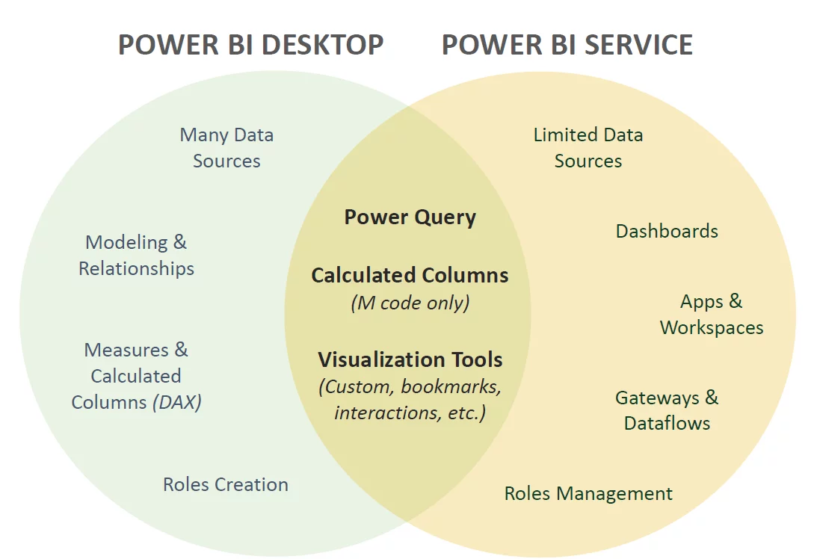
Q3. What does publishing a report mean in Power BI? List any two outcomes that occur after a report is published.

Outcomes of Publishing a Report

Creation of Two Linked Assets: Power BI automatically unbundles the .pbix file into two separate but linked items:
The Report: Contains all the visual pages, slicers, and bookmarks you designed.
The Dataset (Semantic Model): Contains the underlying data engine, including the data model, relationships, Power Query transformations, and DAX measure

Enabling Centralized Access and Sharing: Once published, the report is no longer trapped on your local machine. It becomes accessible from anywhere via a web browser or the Power BI mobile app.

Q5
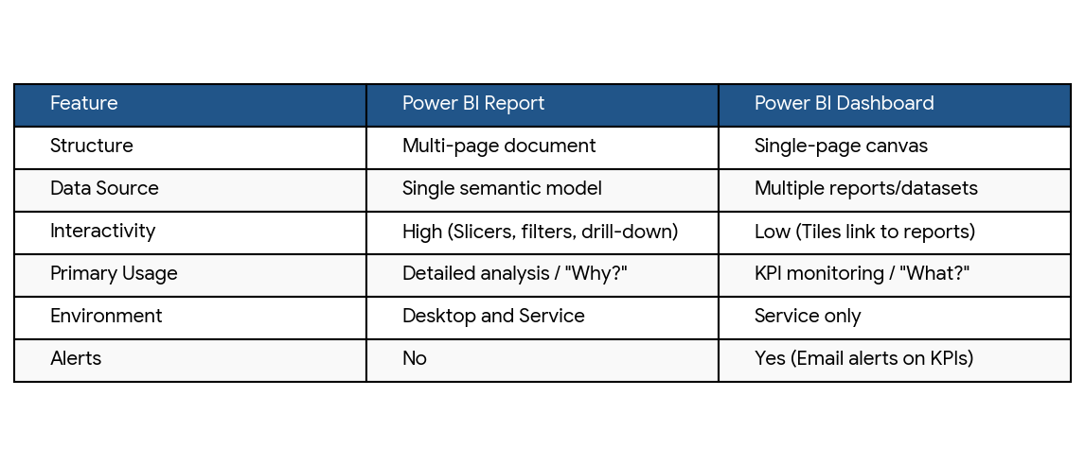
Q5. Differentiate between Report and Dashboard in Power BI based on structure and usage.

1. Structure
Report: A multi-page document containing a variety of detailed visuals. It is built on a single dataset and offers a deep dive into specific data dimensions using slicers and filters.
Dashboard: A single-page "canvas" (often called a "wallboard") that displays high-level insights. It can combine visuals (tiles) from multiple different reports and datasets into one view.

2. Usage
Report: Used for detailed analysis and exploration. Users interact with reports to find the "why" behind the numbers by drilling down into data or filtering specific timeframes.
Dashboard: Used for operational monitoring. It’s a bird's-eye view designed for executives or managers to track Key Performance Indicators (KPIs) at a glance. Clicking a tile in a dashboard usually links you back to the underlying report for more detail.

